Sheet2
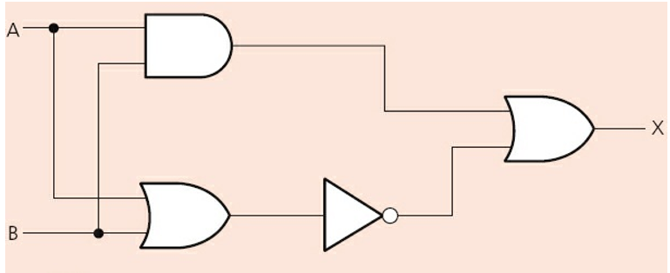
 | A | B | A and B | A or B | not(A or B) | ans
 | 0 | 0 | 0 | 0 | 1 | 1
 | 1 | 0 | 0 | 1 | 0 | 0
 | 0 | 1 | 0 | 1 | 0 | 0
 | 1 | 1 | 1 | 1 | 0 | 1

if ((A and B) or (not(A or B))) then 10$ else 0$

If a=true
b=false | A | B | C
 | 0 | 0 | 0
 | 1 | 0 | 0
 | 0 | 1 | 0
 | 0 | 0 | 1
 | 1 | 1 | 0
 | 1 | 0 | 1
 | 0 | 1 | 1
 | 1 | 1 | 1

